Instructions
To create a Weight, Target Weight and BMI Tracker Dashboard Chart, go to the Weight Detail worksheet.

Fill in all the red text shown below:

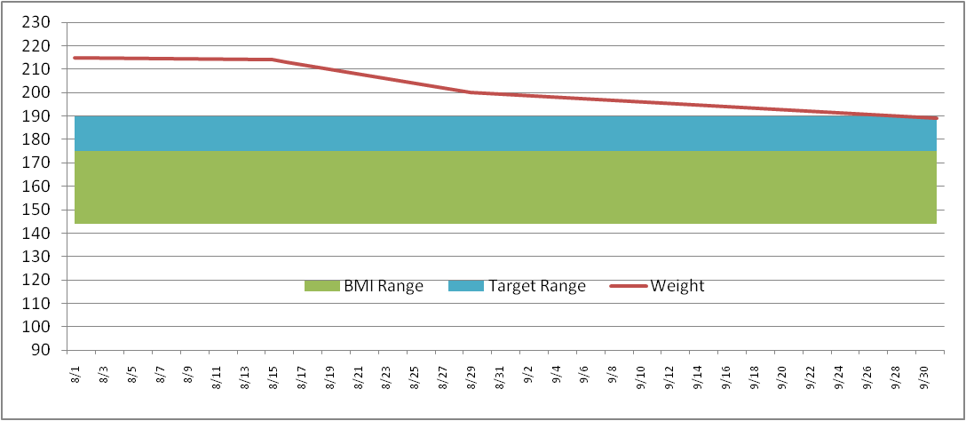
Enter in your NEAREST height in Inches (minimum 58 inches)
Height (inches) | 70

Then enter your target weight range minimum and maximum
Target Weight
Min | 175
Max | 185

Then fill in your last and most current weigh in dates and weight
Date | Weight | BMI Low | BMI Range | Target Low | Target Range
2011-09-01 | 215 | 136 | 36 | 175 | 10
2011-09-02 | 214

This will then build your chart ==================================>
* Current weight line (Red line)
* Target weight range (Blue band)
* Normal BMI weight range (Green band)
The Chart is dynamic and will keep expanding for every date/weight you enter

Weight Detail
Date | Weight | BMI Low | BMI Range | Target Low | Target Range |  | >= 58 Inches
2021-01-01 | 185 | 110 | 30 | 155 | 10 | Height (inches) | 64
2021-01-02 | 180 | 110 | 30 | 155 | 10 | Target Weight | 5 ft 4 in | Normal BMI Range
2021-01-03 | 178 | 110 | 30 | 155 | 10 | Min | 155 | Min | 110
2021-01-04 | 178 | 110 | 30 | 155 | 10 | Max | 165 | Max | 140
2021-01-05 | 175 | 110 | 30 | 155 | 10
2021-01-06 | 173 | 110 | 30 | 155 | 10 | Current Weight | 155 | Current Weight | 155
2021-01-07 | 172 | 110 | 30 | 155 | 10 | Starting Weight | 185 | Previous Weight | 156
2021-01-08 | 170 | 110 | 30 | 155 | 10 | Weight Loss | -30 | Weight Loss | -1
2021-01-09 | 168 | 110 | 30 | 155 | 10
2021-01-10 | 168 | 110 | 30 | 155 | 10
2021-01-11 | 168 | 110 | 30 | 155 | 10
2021-01-12 | 167 | 110 | 30 | 155 | 10
2021-01-13 | 167 | 110 | 30 | 155 | 10
2021-01-14 | 166 | 110 | 30 | 155 | 10
2021-01-15 | 166 | 110 | 30 | 155 | 10
2021-01-16 | 166 | 110 | 30 | 155 | 10
2021-01-17 | 165 | 110 | 30 | 155 | 10
2021-01-18 | 165 | 110 | 30 | 155 | 10
2021-01-19 | 164 | 110 | 30 | 155 | 10
2021-01-20 | 164 | 110 | 30 | 155 | 10
2021-01-21 | 164 | 110 | 30 | 155 | 10
2021-01-22 | 164 | 110 | 30 | 155 | 10
2021-01-23 | 163 | 110 | 30 | 155 | 10
2021-01-24 | 163 | 110 | 30 | 155 | 10
2021-01-25 | 163 | 110 | 30 | 155 | 10
2021-01-26 | 163 | 110 | 30 | 155 | 10
2021-01-27 | 160 | 110 | 30 | 155 | 10
2021-01-28 | 158 | 110 | 30 | 155 | 10
2021-01-29 | 156 | 110 | 30 | 155 | 10
2021-01-30 | 155 | 110 | 30 | 155 | 10

Weight Chart
 | BMI Low
1/1/2021 | 110
1/2/2021 | 110
1/3/2021 | 110
1/4/2021 | 110
1/5/2021 | 110
1/6/2021 | 110
1/7/2021 | 110
1/8/2021 | 110
1/9/2021 | 110
1/10/2021 | 110
1/11/2021 | 110
1/12/2021 | 110
1/13/2021 | 110
1/14/2021 | 110
1/15/2021 | 110
1/16/2021 | 110
1/17/2021 | 110
1/18/2021 | 110
1/19/2021 | 110
1/20/2021 | 110
1/21/2021 | 110
1/22/2021 | 110
1/23/2021 | 110
1/24/2021 | 110
1/25/2021 | 110
1/26/2021 | 110
1/27/2021 | 110
1/28/2021 | 110
1/29/2021 | 110
1/30/2021 | 110

